Sheet1
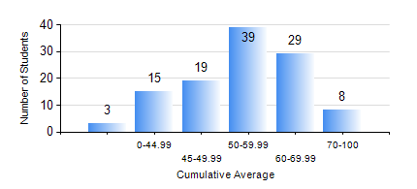
 |  |  | KWAME NKRUMAH UNIVERSITY OF SCIENCE AND TECHNOLOGY, KUMASI Department of Agricultural and Biosystems Engineering

 |  |  | BSC. AGRICULTURAL ENG.

 |  |  | COMPREHENSIVE RECORD OF EXAMINATION RESULTS

 |  |  | RESULTS OF YEAR 1 SECOND SEMESTER, 2023/2024 ACADEMIC YEAR

 | Sn | Course Code |  | Course Name | Credit Hours | Min. Mark | Max. Mark | Avg. Mark | Std. Dev. | No. Passed | No. Trailed | No. (Df) | No. (I) | No. (I*) | No. Tagged(I,I*,Df) | Total
 | 0. |  |  |  |  |  |  | 0 | 0 | 0 | 0 | 0 | 0 | 0 | 0 | 3
 | 1. | AE 158 |  | INTRODUCTION TO INFORMATION TECHNOLOGY | 2 | 0 | 83 | 58 | 12.05 | 106 | 4 | 0 | 0 | 0 | 0 | 110
 | 2. | AE 162 |  | BASIC AGRICULTURE | 2 | 0 | 85 | 57 | 13 | 105 | 5 | 0 | 0 | 0 | 0 | 110
 | 3. | AE 196 |  | ENGINEERING WORKSHOP PRACTICE | 1 | 0 | 82 | 66 | 10.84 | 108 | 2 | 0 | 0 | 0 | 0 | 110
 | 4. | EE 152 |  | BASIC ELECTRONICS | 3 | 0 | 75 | 51 | 11.47 | 102 | 8 | 0 | 0 | 0 | 0 | 110
 | 5. | ENGL 158 |  | COMMUNICATION SKILLS II | 2 | 0 | 90 | 66 | 15.39 | 107 | 3 | 0 | 0 | 0 | 0 | 110
 | 6. | MATH 152 |  | CALCULUS WITH ANALYSIS | 4 | 7 | 80 | 42 | 15.52 | 78 | 32 | 0 | 0 | 0 | 0 | 110
 | 7. | ME 160 |  | ENGINEERING DRAWING | 3 | 0 | 89 | 56 | 15.31 | 100 | 10 | 0 | 0 | 0 | 0 | 110
 | 8. | ME 162 |  | BASIC MECHANICS | 3 | 0 | 83 | 53 | 15.55 | 95 | 15 | 0 | 0 | 0 | 0 | 110

